Sheet1
IMAGE | CODE | COLOUR | STYLE | Price | Gender | Total Items | OS | XS | S | M | L | XL | 2XL | 3XL | 4XL | 5XL
 | EV080M | ENHANCED VISIBILITY POLO | ENHANCED GREEN | £2.00 | ADULTS | 1306 |  |  | 305 | 273 | 203 | 240 | 103 | 164 | 18 | 0
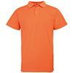 | EV080M | ENHANCED VISIBILITY POLO | ENHANCED ORANGE | £2.00 | ADULTS | 1766 |  |  | 346 | 726 | 282 | 138 | 139 | 67 | 45 | 23
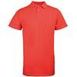 | EV080M | ENHANCED VISIBILITY POLO | ENHANCED RED | £2.00 | ADULTS | 1382 |  |  | 320 | 120 | 240 | 194 | 182 | 108 | 120 | 98
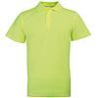 | EV080M | ENHANCED VISIBILITY POLO | ENHANCED YELLOW | £2.00 | ADULTS | 3604 |  |  | 373 | 280 | 1227 | 920 | 409 | 240 | 80 | 75
 | EV081M | ENHANCED VISIBILITY T-SHIRT | ENHANCED GREEN | £2.00 | ADULTS | 2541 |  |  | 467 | 422 | 280 | 310 | 265 | 253 | 294 | 250
 | EV081M | ENHANCED VISIBILITY T-SHIRT | ENHANCED ORANGE | £2.00 | ADULTS | 2851 |  |  | 544 | 416 | 465 | 405 | 383 | 145 | 268 | 225
 | EV081M | ENHANCED VISIBILITY T-SHIRT | ENHANCED RED | £2.00 | ADULTS | 1550 |  |  | 232 | 180 | 354 | 133 | 366 | 169 | 46 | 70
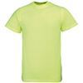 | EV081M | ENHANCED VISIBILITY T-SHIRT | ENHANCED YELLOW | £2.00 | ADULTS | 2013 |  |  | 679 | 330 | 240 | 105 | 154 | 69 | 119 | 317
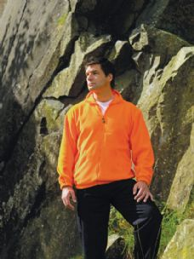 | EV082M | ENHANCED VISIBILITY FULL ZIP FLEECE | ENHANCED ORANGE | £6.00 | ADULTS | 97 |  |  | 38 |  |  |  |  | 20 | 19 | 20
 | EV082M | ENHANCED VISIBILITY FULL ZIP FLEECE | ENHANCED YELLOW | £6.00 | ADULTS | 118 |  |  |  |  |  |  |  | 39 | 40 | 39
 | EV084M | ENHANCED VISIBILITY GILET | ENHANCED ORANGE | £5.00 | ADULTS | 1008 |  |  | 150 | 0 | 29 | 30 | 150 | 240 | 190 | 219
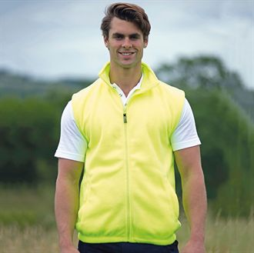 | EV084M | ENHANCED VISIBILITY GILET | ENHANCED YELLOW | £5.00 | ADULTS | 753 |  |  | 120 | 0 | 8 | 55 | 150 | 150 | 150 | 120
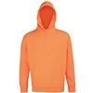 | EV085M | ENHANCED VISIBILITY HOODIE | ENHANCED ORANGE | £4.00 | ADULTS | 1101 |  |  | 407 | 324 | 18 | 242 | 16 | 19 | 62 | 13
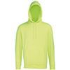 | EV085M | ENHANCED VISIBILITY HOODIE | ENHANCED YELLOW | £4.00 | ADULTS | 880 |  |  | 576 | 7 | 0 | 18 | 40 | 183 | 0 | 56
 | EV086M | ENHANCED VISIBILITY VEST | BRIGHT BLUE | £3.00 | ADULTS | 4378 |  |  | 662 | 720 | 571 | 990 | 1435
 | EV086M | ENHANCED VISIBILITY VEST | BRIGHT GREEN | £3.00 | ADULTS | 3544 |  |  | 587 | 643 | 825 | 891 | 598
 | EV086M | ENHANCED VISIBILITY VEST | BRIGHT PINK | £3.00 | ADULTS | 1634 |  |  | 253 | 459 | 180 | 198 | 544
 | EV086M | ENHANCED VISIBILITY VEST | BRIGHT RED | £3.00 | ADULTS | 2341 |  |  | 546 | 455 | 479 | 533 | 328
 | EV086M | ENHANCED VISIBILITY VEST | TRUE BLACK | £3.00 | ADULTS | 912 |  |  | 266 | 42 | 78 | 127 | 399
 | EV086M | ENHANCED VISIBILITY VEST | TRUE NAVY | £3.00 | ADULTS | 361 |  |  | 242 | 17 | 8 | 57 | 37
 | EV086M | ENHANCED VISIBILITY VEST | TRUE WHITE | £3.00 | ADULTS | 1530 |  |  | 460 | 244 | 61 | 265 | 500
 | EV087B | ENHANCED VISIBILITY KIDS VEST | BRIGHT BLUE | £3.00 | KIDS | 1581 |  |  | 245 | 1205 | 131
 | EV087B | ENHANCED VISIBILITY KIDS VEST | BRIGHT GREEN | £3.00 | KIDS | 713 |  |  | 172 | 240 | 301
 | EV087B | ENHANCED VISIBILITY KIDS VEST | BRIGHT PINK | £3.00 | KIDS | 1170 |  |  | 427 | 443 | 300
 | EV087B | ENHANCED VISIBILITY KIDS VEST | BRIGHT RED | £3.00 | KIDS | 1293 |  |  | 358 | 480 | 455
 | EV087B | ENHANCED VISIBILITY KIDS VEST | TRUE BLACK | £3.00 | KIDS | 1910 |  |  | 719 | 712 | 479
 | EV087B | ENHANCED VISIBILITY KIDS VEST | TRUE NAVY | £3.00 | KIDS | 2252 |  |  | 719 | 889 | 644
 | EV087B | ENHANCED VISIBILITY KIDS VEST | TRUE WHITE | £3.00 | KIDS | 539 |  |  | 300 | 60 | 179
 | EV088M | ENHANCED DYNAMIC T | BRIGHT BLUE | £2.00 | ADULTS | 2185 |  |  | 559 | 650 | 508 | 250 | 218
 | EV088M | ENHANCED DYNAMIC T | BRIGHT RED | £2.00 | ADULTS | 2342 |  |  | 594 | 698 | 465 | 277 | 308
 | EV088M | ENHANCED DYNAMIC T | BRIGHT YELLOW | £2.00 | ADULTS | 999 |  |  | 199 | 346 | 145 | 259 | 50
 | EV088M | ENHANCED DYNAMIC T | TRUE BLACK | £2.00 | ADULTS | 2958 |  |  | 651 | 1192 | 614 | 248 | 253
 | EV088M | ENHANCED DYNAMIC T | TRUE WHITE | £2.00 | ADULTS | 4995 |  |  | 973 | 1738 | 1410 | 598 | 276
#VALUE! | EV088M | ENHANCED DYNAMIC T | BLUE | £2.00 | ADULTS | 65 |  |  | 13 | 0 | 8 | 9 | 35
 | EV089M | REFLECTIVE DOG VEST | ENHANCED YELLOW | £2.00 | DOGS | 805 |  | 335 | 227 | 3 | 240
#VALUE! | EV090M | REFLECTIVE BACKPACK | ENHANCED YELLOW | £5.00 | ACCESSORY | 516 | 516
#VALUE! | EV091M | REFLECTIVE HOLDALL | ENHANCED YELLOW | £5.00 | ACCESSORY | 406 | 406
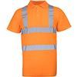 | HV070M | HIGH VISIBILITY POLO | FLUORESCENT ORANGE | £3.00 | ADULTS | 1336 |  |  | 142 | 335 | 233 | 207 | 202 | 13 | 101 | 103
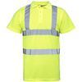 | HV070M | HIGH VISIBILITY POLO | FLUORESCENT YELLOW | £3.00 | ADULTS | 2612 |  |  | 328 | 394 | 379 | 532 | 409 | 3 | 479 | 88
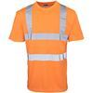 | HV071M | HIGH VISIBILITY T-SHIRT | FLUORESCENT ORANGE | £3.00 | ADULTS | 729 |  |  | 81 | 0 | 122 | 92 | 16 | 100 | 150 | 168
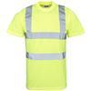 | HV071M | HIGH VISIBILITY T-SHIRT | FLUORESCENT YELLOW | £3.00 | ADULTS | 2447 |  |  | 550 | 301 | 845 | 250 | 45 | 66 | 140 | 250
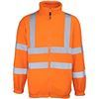 | HV072M | HIGH VISIBILITY FULL ZIP FLEECE | FLUORESCENT ORANGE | £6.00 | ADULTS | 922 |  |  | 263 | 194 | 4 | 42 | 132 | 77 | 137 | 73
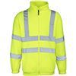 | HV072M | HIGH VISIBILITY FULL ZIP FLEECE | FLUORESCENT YELLOW | £6.00 | ADULTS | 2150 |  |  | 165 | 293 | 288 | 304 | 95 | 119 | 645 | 241
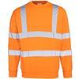 | HV073M | HIGH VISIBILITY SWEATSHIRT | FLUORESCENT ORANGE | £5.00 | ADULTS | 785 |  |  | 79 | 45 | 81 | 49 | 223 | 32 | 129 | 147
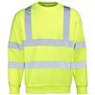 | HV073M | HIGH VISIBILITY SWEATSHIRT | FLUORESCENT YELLOW | £5.00 | ADULTS | 1118 |  |  | 214 | 155 | 4 | 166 | 119 | 45 | 176 | 239
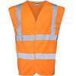 | HV074M | HIGH VISIBILITY WAISTCOAT | FLUORESCENT ORANGE | £4.00 | ADULTS | 6184 |  |  | 360 | 1065 | 1732 | 1311 | 681 | 399 | 360 | 276
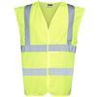 | HV074M | HIGH VISIBILITY WAISTCOAT | FLUORESCENT YELLOW | £4.00 | ADULTS | 9220 |  |  | 1005 | 1042 | 3111 | 1794 | 1192 | 595 | 420 | 61
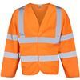 | HV075M | HIGH VISIBILITY MOTORWAY COAT | FLUORESCENT ORANGE | £5.00 | ADULTS | 3413 |  |  | 799 | 751 | 145 | 396 | 552 | 450 | 250 | 70
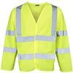 | HV075M | HIGH VISIBILITY MOTORWAY COAT | FLUORESCENT YELLOW | £5.00 | ADULTS | 3016 |  |  | 443 | 390 | 308 | 500 | 332 | 520 | 202 | 321
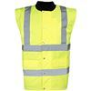 | HV076M | HIGH VISIBILITY BODYWARMER | FLUORESCENT YELLOW | £4.00 | ADULTS | 575 |  |  | 231 | 18 | 1 | 20 | 70 | 87 | 20 | 128
 | HV077B | HIGH VISIBILITY KIDS VEST | FLUORESCENT ORANGE | £3.00 | KIDS | 53 |  |  | 49 | 0 | 4
 | HV077B | HIGH VISIBILITY KIDS VEST | FLUORESCENT YELLOW | £3.00 | KIDS | 1957 |  |  | 748 | 1156 | 53
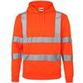 | HV078M | HIGH VISIBILITY HOODIE | FLUORESCENT ORANGE | £5.00 | ADULTS | 1608 |  |  | 426 | 240 | 280 | 180 | 222 | 260
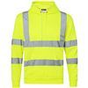 | HV078M | HIGH VISIBILITY HOODIE | FLUORESCENT YELLOW | £5.00 | ADULTS | 713 |  |  | 286 | 146 | 5 | 8 | 78 | 190
 |  |  |  |  | TOTAL | 99237

